1. Title Page
Grocery Basket Analysis

Project Name: Instacart Grocery Basket Analysis
Date: July 5, 2024
Analyst Name: Melanie Houston

Contents:
Population Flow
Consistency checks
Wrangling steps
Column derivations
Visualizations
Recommendations

2. Population Flow
 |  |  |  | Title page

Population flow

Exclusion flag
Condition: max_order < 5
Obervations to be removed: 1,440,295
Final total count of order_products_all: 30,964,564

Orders_products_combined
Orders_products_merged
Orders_products_all

Total:
Total:
Total:
 | 32,434,489 | 32,404,859 | 32,404,859

1.) The grey boxes in the first row of the population flow represent the original data sets as they were when you downloaded them. In the Total fields you need to add the count of the rows when you imported the data set into Jupyter.
2.) The second row of boxes (coloured) represents the data sets after you manipulated them, e.g., removed missing values and duplicates. In the Total fields you need to add the count of the rows after conducting these operations. This offers a visual oveview of how the data flows throughout the data consistency checks.
3.) The third row, where also the arrows are coloured, represents the merges you performed between the datasets. In the Total fields you need to add the count of the rows in the merged datasets, so that you end up with the final dataset (in the red box). Keep in mind the final dataset should be without exclusions (based on the exclusion flag).

Data Citation

“The Instacart Online Grocery Shopping Dataset 2017”, Accessed from www.instacart.com/datasets/grocery-shopping-2017 via Kaggle on May 13

Please note that the customer data in Exercises 4.9 and 4.10, as well as the “prices” column in the products data set, were both fabricated for the purpose of this course.

3. Consistency checks
 |  |  |  |  |  |  | Title page
Consistency checks

Dataset | Missing values | Missing values treatment | Duplicates
orders | days_since_prior_order, 206, 209 | calculate the mean of the column and then used it with fillna to fill in the missing data in that column | No duplicates
products | product_name, 16 | Create a subset of df_prods_clean where null product names won't appear | dropped 5 duplicate rows
orders_products_prior
customers

Spending Habits Between Different USA Regions

spender_flag | Midwest | Northeast | South | West
high_spender | 155975 | 108225 | 209691 | 160354
low_spender | 7441350 | 5614511 | 10582194 | 8132559

Spending Habits Between Different USA Regions by department

Region | alcohol | babies | bakery | beverages | breakfast | bulk | canned goods | dairy eggs | deli | dry goods pasta | frozen | household | international | meat seafood | missing | other | pantry | personal care | pets | produce | snacks
Midwest | 36186 | 98983 | 273869 | 625574 | 163551 | 8193 | 250702 | 1264223 | 245678 | 203769 | 524096 | 175824 | 63736 | 166129 | 16535 | 8420 | 442101 | 105749 | 22355 | 2227937 | 673715
Northeast | 26542 | 75139 | 208599 | 483418 | 123574 | 5802 | 186755 | 954026 | 186817 | 151816 | 390918 | 131485 | 46891 | 124620 | 12374 | 6585 | 329445 | 78815 | 18601 | 1665839 | 514675
South | 51624 | 143654 | 388815 | 898940 | 234251 | 11533 | 356015 | 1796969 | 349419 | 287444 | 747900 | 243070 | 89142 | 235752 | 23193 | 12212 | 622436 | 150350 | 31269 | 3160551 | 957346
West | 39344 | 106026 | 301145 | 680191 | 181657 | 9045 | 274586 | 1383529 | 269335 | 223598 | 571829 | 188287 | 69484 | 182426 | 17043 | 9074 | 481387 | 112658 | 25491 | 2424964 | 741814

Spending Habits Between Different USA Regions by age

Region | Adult | Senior | Young Adult
Midwest | 3608769 | 3049022 | 939534
Northeast | 2671969 | 2339655 | 711112
South | 5071002 | 4344218 | 1376665
West | 3915770 | 3359265 | 1017878

Spending Habits Between Different USA Regions by income

Region | High Income | Low Income | Medium High Income | Medium Income | Medium Low Income
Midwest | 955414 | 838398 | 1486246 | 1629501 | 2687766
Northeast | 706738 | 627256 | 1089191 | 1272112 | 2027439
South | 1342055 | 1219460 | 2029480 | 2433067 | 3767823
West | 1046633 | 908969 | 1578892 | 1812647 | 2945772

Spending Habits Between Different USA Regions by days since prior order

Region | 0 | 1 | 2 | 3 | 4 | 5 | 6 | 7 | 8 | 9 | 10 | 11 | 11.114836227 | 12 | 13 | 14 | 15 | 16 | 17 | 18 | 19 | 20 | 21 | 22 | 23 | 24 | 25 | 26 | 27 | 28 | 29 | 30
Midwest | 104490 | 218373 | 339761 | 431655 | 477520 | 491964 | 585078 | 816887 | 454902 | 286465 | 225953 | 191991 | 489739 | 182906 | 204527 | 245942 | 158012 | 108396 | 89372 | 81753 | 80756 | 89358 | 103819 | 72925 | 54915 | 45949 | 42438 | 41236 | 48722 | 60549 | 41717 | 729255
Northeast | 80269 | 165732 | 258066 | 338019 | 371320 | 377703 | 440887 | 615618 | 337642 | 213789 | 170939 | 144094 | 366464 | 136397 | 149998 | 179765 | 118931 | 81985 | 68260 | 61367 | 59635 | 66790 | 77829 | 55724 | 38582 | 33090 | 31706 | 31872 | 33958 | 44806 | 31866 | 539633
South | 150672 | 310828 | 489932 | 625806 | 691787 | 707647 | 841129 | 1149784 | 643728 | 407817 | 322714 | 273748 | 692068 | 256874 | 282924 | 341887 | 223343 | 154367 | 126491 | 117338 | 110773 | 125042 | 147713 | 101872 | 74699 | 64761 | 59964 | 59813 | 67720 | 85804 | 58221 | 1024619
West | 112898 | 245541 | 375965 | 480708 | 538021 | 547120 | 650404 | 893909 | 495673 | 309770 | 247581 | 210928 | 527825 | 197987 | 213665 | 262062 | 171172 | 116587 | 97991 | 90129 | 83718 | 98542 | 114781 | 78328 | 57638 | 49621 | 46309 | 44854 | 53661 | 61992 | 43666 | 773867

4. Wrangling steps
 |  |  |  | Title page
Wrangling steps

Columns dropped | Columns renamed | Columns' type changed | Comment/Reason
eval_set (from orders) |  |  | not needed
 | Order_dow to orders_day_of_week |  | easier to understand
dropping 'un-named' column in df_prods |  |  | not needed
 | busiest_day to busiest_days |  | to show the 2 busiest days of the week
 | least busy to slowest days (df ords prods merge)
 |  | order_id from int to string (from orders)
 |  | user_id_from int to string (from customers)
 | First Name to First_name (customers) |  | Fixed capitalization
 | Surnam to Surname (customers) |  | Completed word
 | STATE to State (customers) |  | Fixed capitalization
 | n_dependents to Num_deps (customers) |  | Smaller, more suitable column name
 | fam_status to Marital_status (customers) |  | More suitable columnn name
 | date_joined to Date_joined (customers) |  | Fixed capitalization
 |  | First_name from int to string (customers)
First_name (customers) |  |  | Personally identifiable information
Surname (customers) |  |  | Personally identifiable information

5. Column derivations
 |  |  |  | Title page

Column derivations and aggregations

In this tab you should add tables below that the frequences of flags/label variables that you produced after deriving them. NB: don't do this for continuous variables, only for flags.
Dataset | New column | Column/s it was derived from | Conditions
df_ords_prods_merge | price_range_loc | prices | Mid-range product, >5 & <=15 21860860
 |  |  | Low-range product <=5 10126321
 |  |  | High-range product, >15 417678
df_ords_prods_merge | busiest_day | orders_day_of_week | Busiest day, 0 6,204,182
 |  |  | Least busy, 4 3,783,802
 |  |  | Regularly busy, else - all other days 22,416,875
df_ords_prods_merge | busiest_period_of_day | orders_time_of_day | Most in [10, 11, 14, 15, 13, 12, 16, 9]
 |  |  | Fewest in [23, 6, 0, 1, 5, 2, 4, 3]
 |  |  | Average - all 'else' in average
ords_prods_merge | loyalty_flag | max_order | Regular customer, max_order <=40 & >10 15876776
 |  |  | Loyal customer, max_order >40 10284093
 |  |  | New customer , max order <=10 6243990
ords_prods_merge | spender_flag | average_spend | low_spender, <10 31770614
 |  |  | high_spender, >=10 634245
ords_prods_merge | frequency_flag | customer_frequency | Frequent customer, <=10 20535136
 |  |  | Regular customer, >10 & <=20 9168905
 |  |  | Non-frequent customer, >20 2700818
ords_prods_cust | region | state | South, in Delaware, Maryland, District of Columbia, Virginia, West Virginia, North Carolina, South Carolina, Georgia, Florida, Kentucky, Tennessee, Mississippi, Alabama, Oklahoma, Texas, Arkansas, Louisiana 10791885
 |  |  | West, in Idaho, Montana, Wyoming, Nevada, Utah, Colorado, Arizona, New Mexico, Alaska, Washington, Oregon, California, Hawaii 8292913
 |  |  | Midwest, in Wisconsin, Michigan, Illinois, Indiana, Ohio, North Dakota, South Dakota, Nebraska, Kansas, Minnesota, Iowa, Missouri 7597325
 |  |  | Northeast, in Maine, New Hampshire, Vermont, Massachusetts, Rhode Island, Connecticut, New York, Pennsylvania, New Jersey 5722736

6. Visualizations
 |  |  |  |  |  |  |  | Title page

Visualizations

In this tab you should include all the visualizations from Exercises 4.9 and 4.10, alongside the questions from the project brief that they answer. Include any commentary on the relationship between different variables.

What are the busiest days of the week and hours of the day?



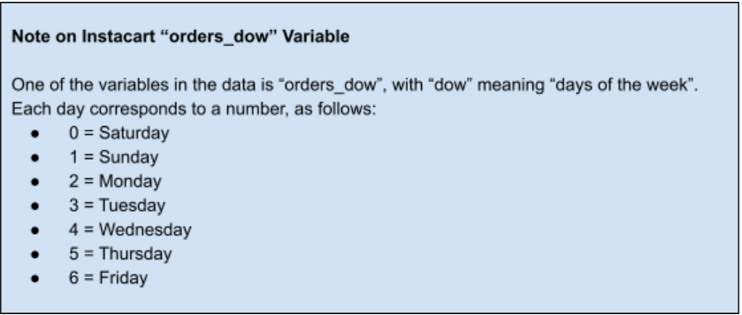

 |  |  |  | This bar chart shows the busiest days of the week are Saturday and Sunday.

What are the busiest hours of the day?


 |  |  |  | This histogram shows the busiest hours of the day are between 10 am and 4pm

What particular times of day do people spend the most money?

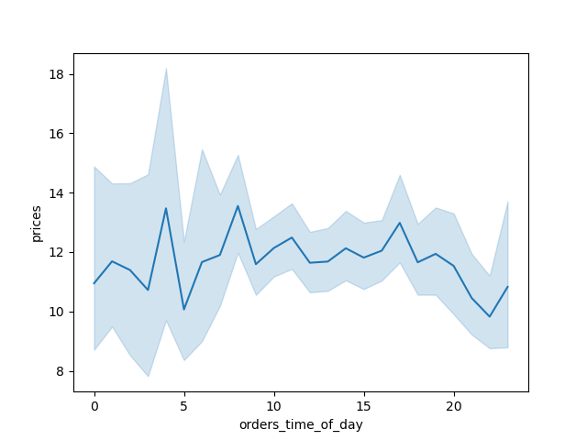

 |  |  |  | People spend the most money very early in the morning around 4am and then around 9am we see another peak.

Simple Price Range Groupings

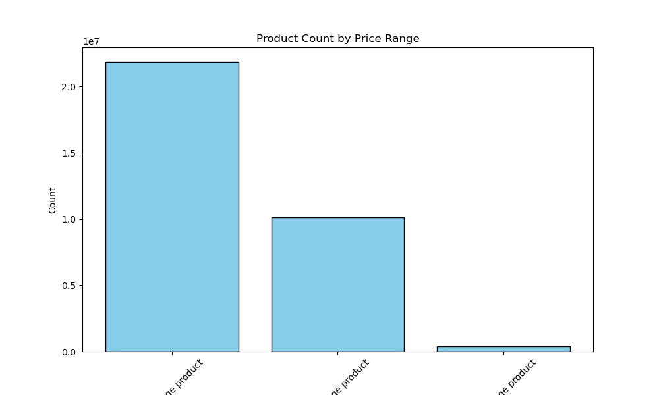

 |  |  |  |  |  |  | This is a very simple price range grouping.

Which departments have the highest frequency of product orders?
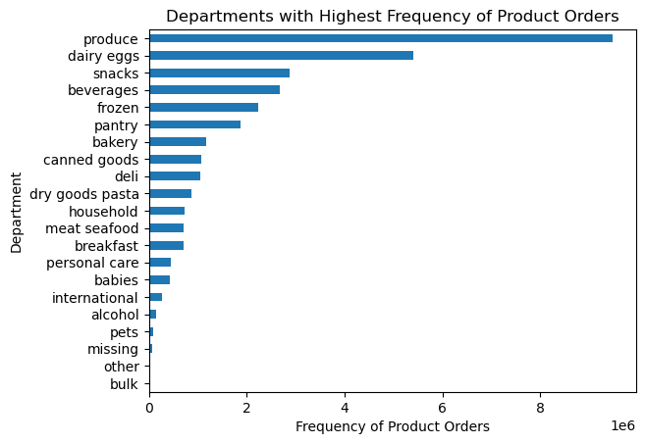

 |  |  |  |  | Produce, Dairy eggs & Snacks departments have the highest frequency of product orders across all regions.

Top 3 products within the top 3 departments

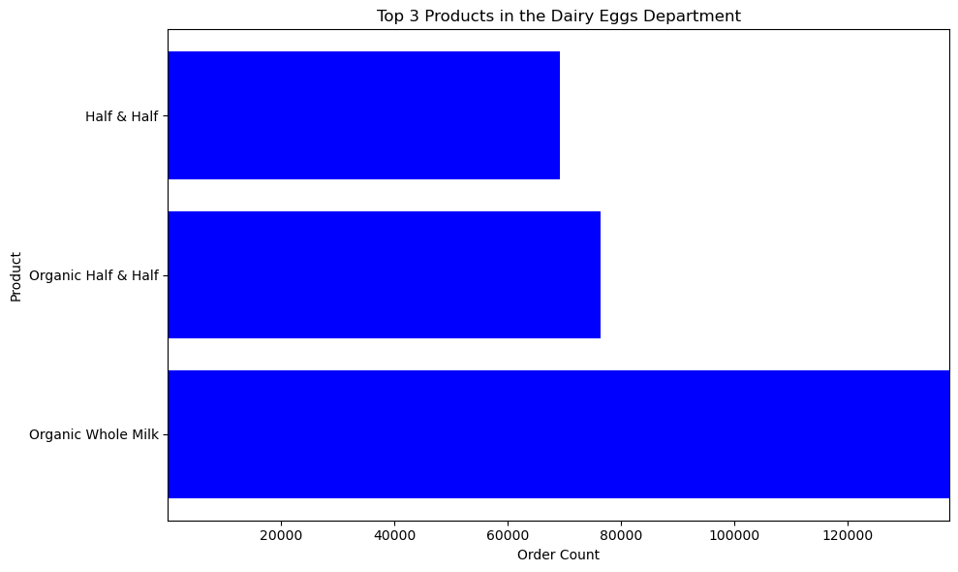
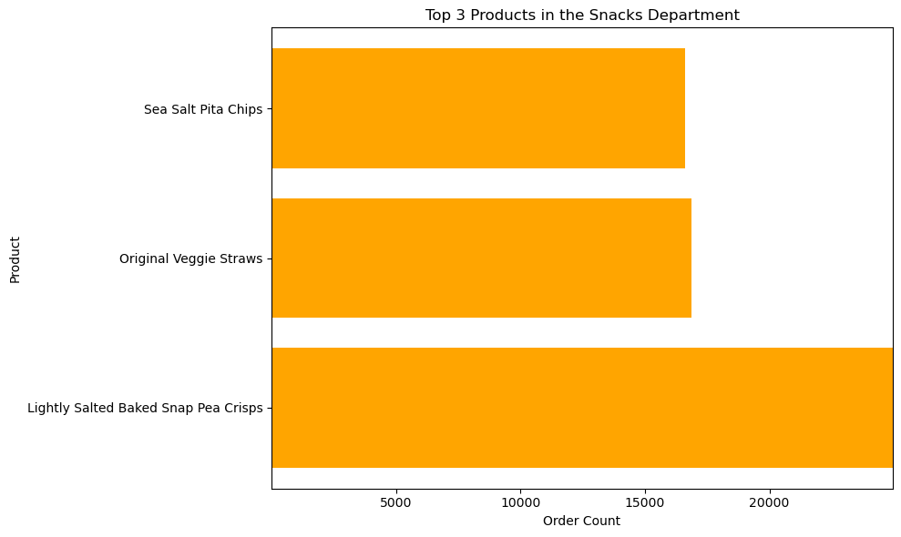
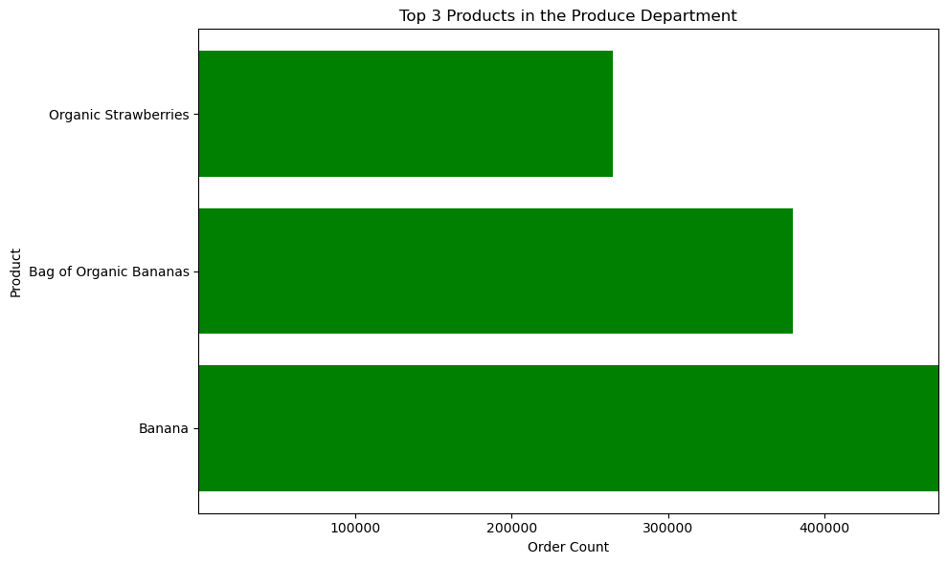

 | What is the distribution among users in regards to their brand loyalty? |  |  |  |  | Are there differences in ordering habits based on a customer's loyalty status?

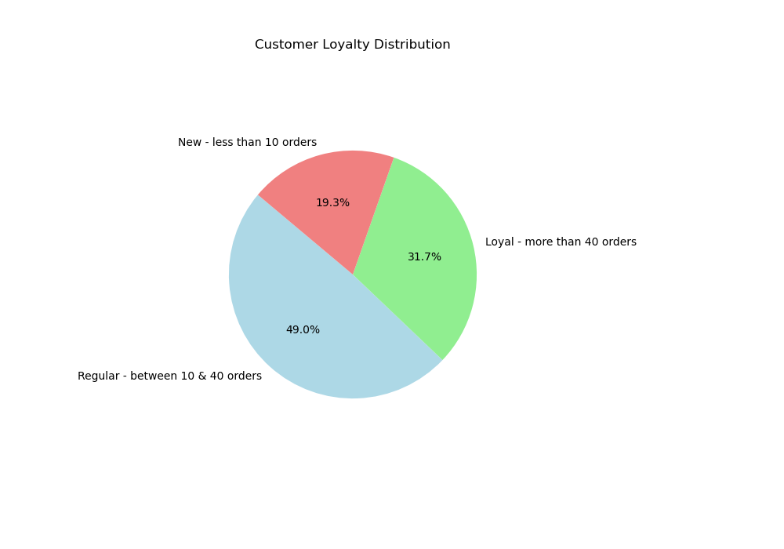
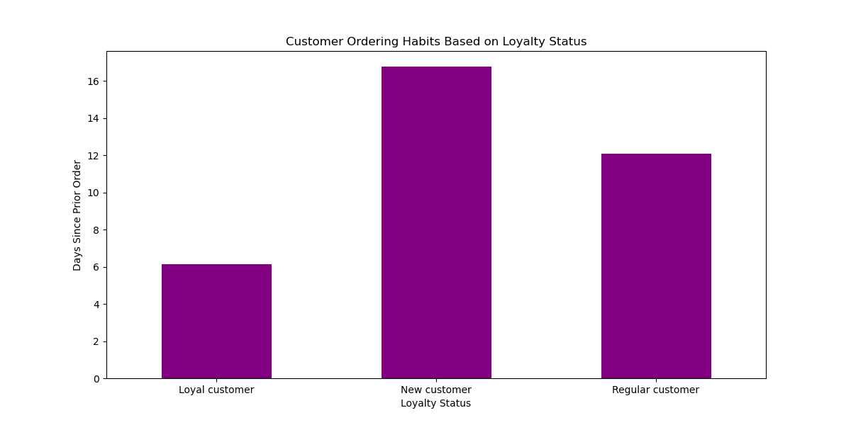

Are there differences in ordering habits based on a customers region? |  |  | These charts show the region and income and age groupings

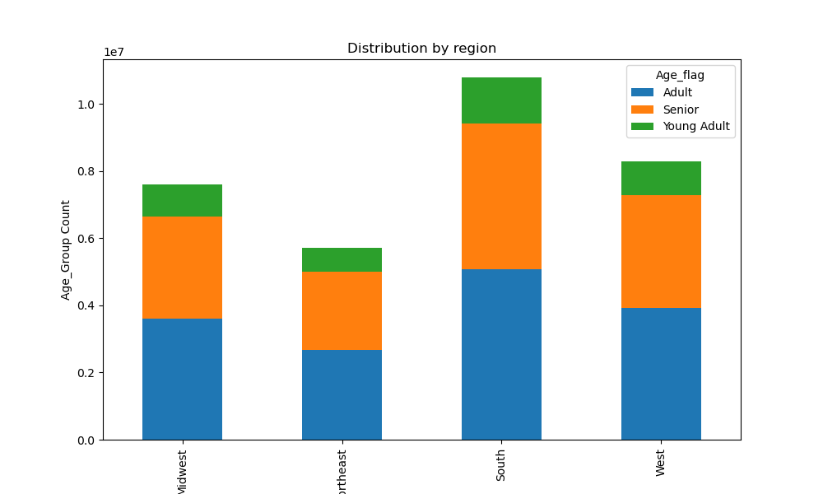
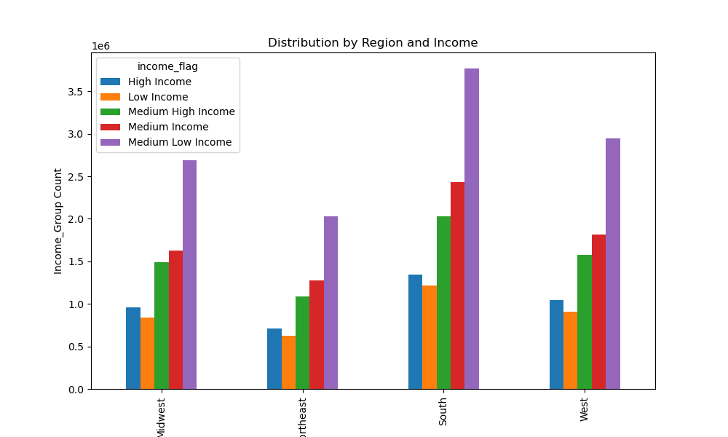

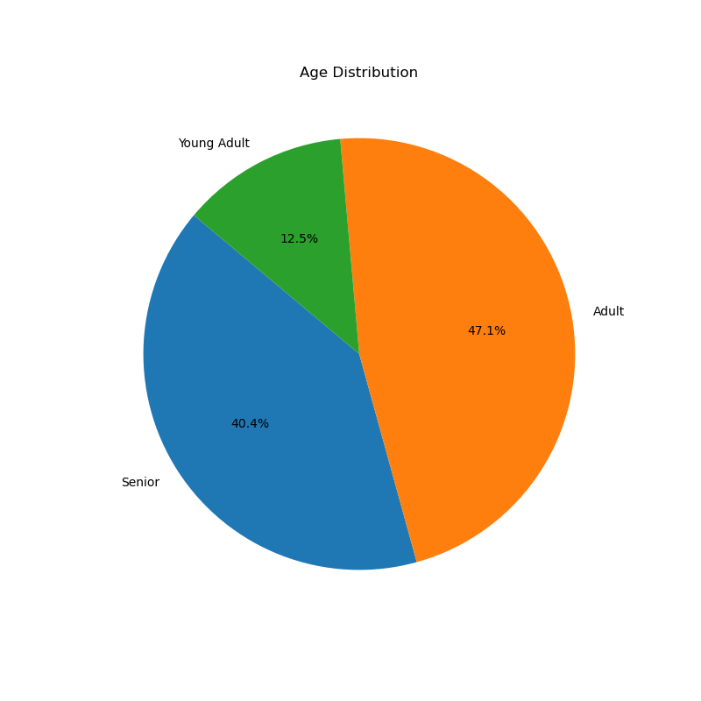
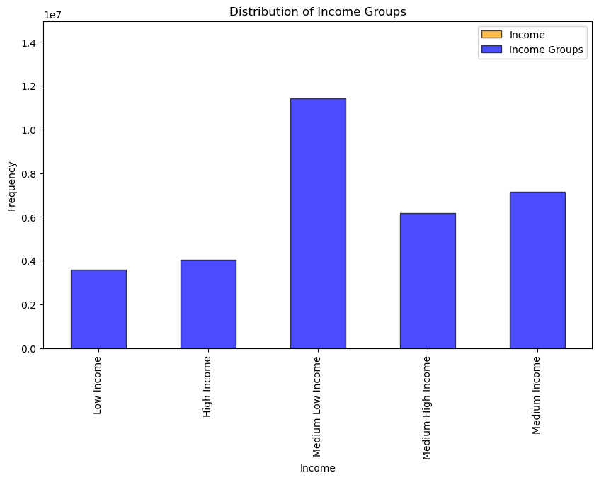

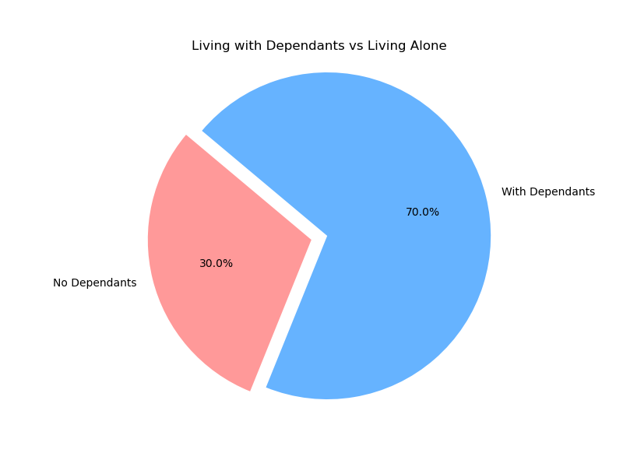

 |  | 87.5% of people are in the Adult or Senior category. 70% of people live with family. The majority of customers are in the Medium Low Income bracket.

7. Recommendations
 |  | Title page

Recommendations

In this tab you should include any recommendations you would made to Instacart in terms of their marketing strategy based on the questions posed in the brief. Every key question has been covered in the Tasks of the Exercises - here you need to add an item - a visualisation or table/crosstable that is showing the answer in the data, acompanied by a comment from you. Please, list the questions below and add the answer underneath.

What are the busiest days of the week?
Saturday and Sunday. Tuesdays and Wednesdays are the least busy. Recommendation to schedule ads or promotions on Tuesday and Wednesday . Easy fresh meals from the deli can be easy to drop off or pick up

What are the busiest hours of the day?
10 am to 4pm are the busiest hours of the days. To boost orders, ads and promotions could be scheduled to show comfort foods or fun evening snack foods. Why go out when it can be delivered!

What particular times of day do people spend the most money?
People spend the most money very early in the morning around 4am and then around 9am we see another peak. People may be doing their shopping before work and picking up or receiving deliveries later in the day. They could be making their list at night, so evening advertisements could work here.

Which departments have the highest frequency of product orders?
Produce, Dairy Eggs & Snacks have the highest frequency of products orders. Attached is also the top 3 products in each of those three cataegories. Recommendation to advertise these products frequently.

Customers and Ordering Behaviors
Most of Instacart's customers are in the medium-low income category. | In all four regions, customers are mainly in the Adult & Senior categories. There are fewer people in the Young Adult category. |  | More attention should be directed to bringing in younger people for growth and sustainability of Instacart.
The Northeast region seems to have fewer customers, while the South has the highest amount of customers. Is the South region doing anything differently than the Northeast region?

Is there a connection between age and family status in terms of ordering habits?
87.5% of people are in the Adult or Senior category. 70% of people live with family. The majority of customers are in the Medium Low Income bracket.

